markdown
Seq | Title | PMID | Species (Human/Mouse) | The experiment design | Gene expression analysis technique | Selection criteria and Result
Paper 000 | Immediate-Early and Delayed Primary Response Genes Are Distinct in Function and Genomic Architecture | 17575275 | Human | In this study, the authors used growth factor PDGF to treat quiescent human T98G cells for 0.5, 2 and 4 hours, respectively, and | then used microarray to measure gene expression changes at each time point. | 49 genes were induced >2-fold by 0.5 h stage and they were selected as IEG.
Paper 009 | P. aeruginosa type III and type VI secretion systems modulate early response gene expression in type II pneumocytes in vitro | 35664458 | Human | To gain insights into the response of lung epithelial cells to P. aeruginosa at the early stage of infection, transcriptomic responses of human type II pneumocytes (A549 cells) were analyzed after 1 h infection with P. aeruginosa PA14. The length of incubation was selected to identify early changes in gene expression [16, 17] without inducing cell death (Figure S1) | they used RNA-sequencing to study the response of airway epithelial cells during the early stages of infection with P. aeruginosa PA14, T3SS, and T6SS mutants to understand the role of the pathogen’s injectosomes in this process. | RNA-sequencing analysis identified 143 genes differentially expressed in A549 cells based on p-value ≤ 0.05, fold change > 2, and average FPKM difference > 7 criteria one hour post-infection with P. aeruginosa.
Paper010 | Restoration of DNA integrity and the cell cycle by electric stimulation in planarian tissues damaged by ionizing radiation | 35322853 | Planaria | Electric current was delivered through pulled borosilicate sharp microelectrodes that were filled with 3 M KCl and placed at the anterior and posterior ventral side of each planarian (i.e. the prepharyngeal and tail regions, respectively). The microelectrode resistance was consistently measured at 1–2 MΩ. The control group (sham-treated) consisted of animals exposed to the same procedure, including electrode penetration, with the absence of electric current. whether pDCS treatment is capable of influencing transcription of neoblast markers on a more rapid timescale, tissue from WT animals was grafted into lethally irradiated hosts and exposed to different lengths of pDCS (15, 30 and 45 min; Fig. 5A). Strikingly, expression of piwi-1 and other neoblast markers was not Fig. 4. See next page for legend. 8 RESEARCH ARTICLE Journal of Cell Science (2022) 135, jcs259304. doi:10.1242/jcs.259304 Journal of Cell Science only detected but found maximally enriched during the first 15 min of pDCS (Fig. 5A–C). | focus in egr-1 |  | not good paper for IEG
Paper 015 | Early Transcriptional Changes in Rabies Virus-Infected Neurons and Their Impact on Neuronal Functions | 34970230 | Human
Paper 032 | High accuracy gene expression profiling of sorted cell subpopulations from breast cancer PDX model tissue | 32911489 | Human | In this study, the authors tried to investigate gene expression after treatment: tissue dissociation and FACS sorting, with time point 0h and 3 h respectively. | Then they isolated the RNA and performed RNA seq to measure expression changes of samples at two different time point | Among 24 differentially expressed genes (DEGs) after dissociation, 23 were upregulated above a cutoff of FDR<0.05/ 4-fold and only a single one was downregulated, suggesting de novo RNA synthesis rather than RNA degradation as the main effect triggered by this sample preparation step.
Paper 048 | Inducible expression of immediate early genes is regulated through dynamic chromatin association by NF45/ILF2 and NF90/NF110/ILF3 | 31022259 | Human |  |  |  | cannot be used, they have IEG list from Tullai as reference for their experiment, not discovered new IEG gene list
Paper 055 | Environmentally enriched pigs have transcriptional profiles consistent with neuroprotective effects and reduced microglial activity | 29778628 | PIGS!
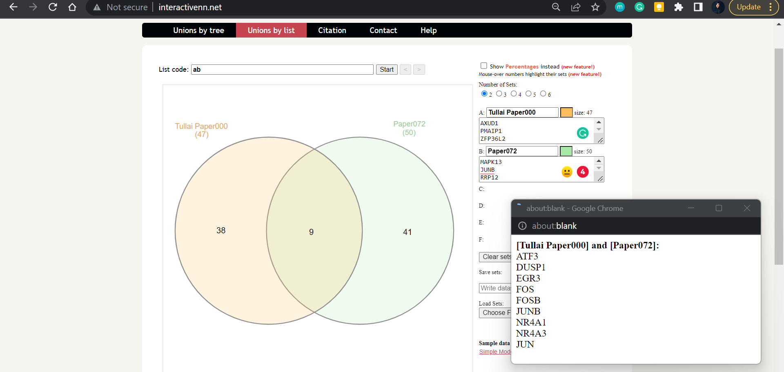
Paper 072 | TT-seq captures enhancer landscapes immediately after T-cell stimulation | 28270558 | Human |  |  |  | not specific IEG, upregulated genes READ cited paper on supplementary data There are 9 genes overlaped : [Tullai Paper000] and [Paper072]: ATF3 DUSP1 EGR3 FOS FOSB JUNB NR4A1 NR4A3 JUN
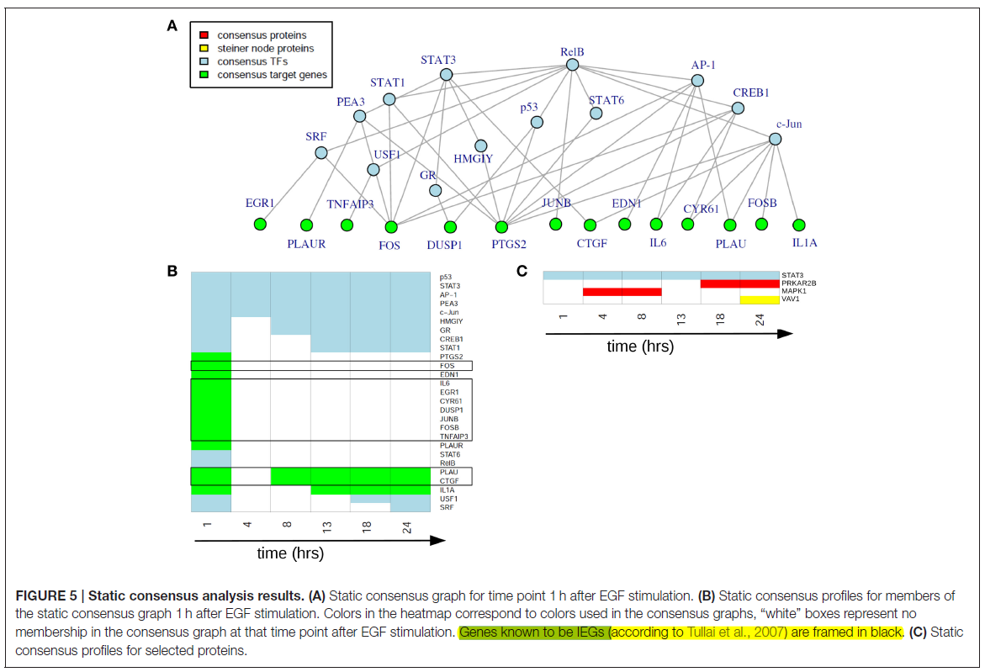
Paper 078 | Decoding Cellular Dynamics in Epidermal Growth Factor Signaling Using a New Pathway-Based Integration Approach for Proteomics and Transcriptomics Data | 27230646 | Human |  |  | p53 STAT PEA3 c-JUN HMGIY GR CREB1 STAT1 PTGS2 FOS EDN1 IL6 EGR1 CYR61 DUSP1 JUNB FOSB TNFAIP3 PLAUR STAT6 RelB PLAU CTGF IL1A USF1 SRF | Not specific research about IEG, but there are 10 upregulated genes after 1 hr treatment that are overlaped with Tullai: FOS IL6 EGR1 CYR61 DUSP1 JUNB FOSB TNFAIP3 PLAU CTGF
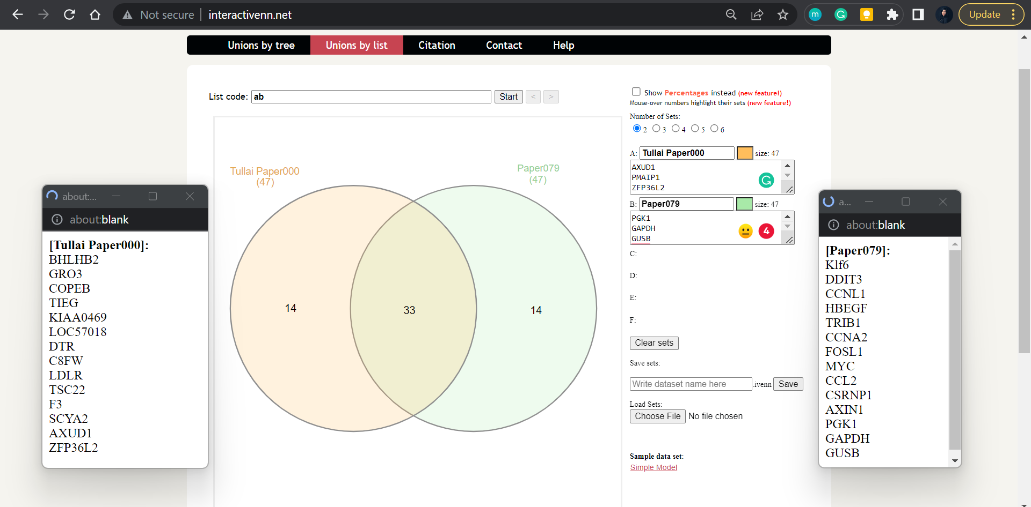
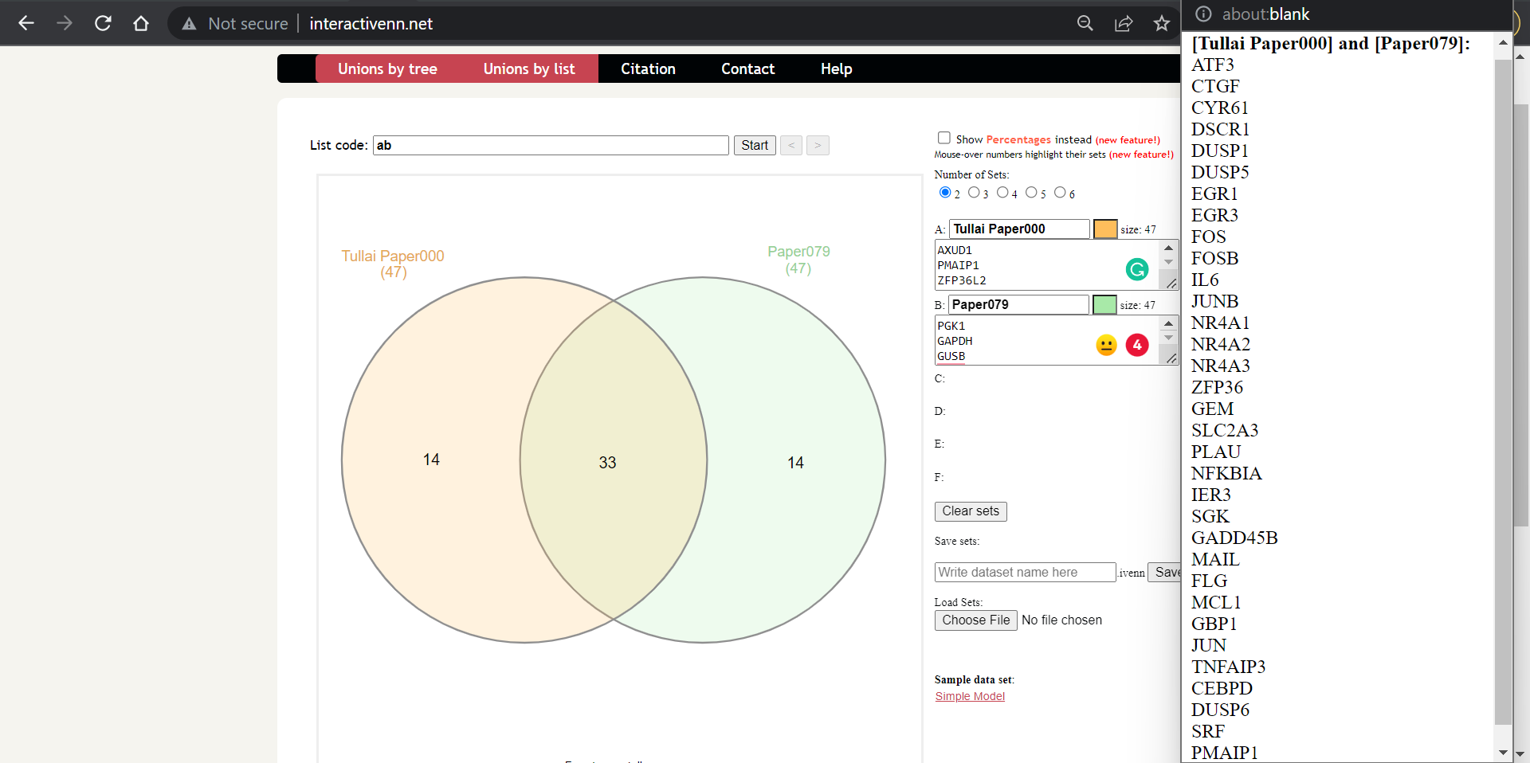
Paper 079 | Functional compensation among HMGN variants modulates the DNase I hypersensitive sites at enhancers | 26156321 | Mouse |  |  |  | [Tullai Paper000] and [Paper079]: ATF3 CTGF CYR61 DSCR1 DUSP1 DUSP5 EGR1 EGR3 FOS FOSB IL6 JUNB NR4A1 NR4A2 NR4A3 ZFP36 GEM SLC2A3 PLAU NFKBIA IER3 SGK GADD45B MAIL FLG MCL1 GBP1 JUN TNFAIP3 CEBPD DUSP6 SRF PMAIP1
Paper 083 | Evolution of lysine acetylation in the RNA polymerase II C-terminal domain | 25887984 | Human |  |  |  | 32 overlaping genes [Tullai Paper000] and [Paper083]: ATF3 CTGF CYR61 DUSP1 DUSP5 EGR1 EGR3 FOS FOSB IL6 JUNB NR4A1 NR4A2 NR4A3 ZFP36 GEM SLC2A3 PLAU NFKBIA IER3 GADD45B FLG MCL1 GBP1 JUN TNFAIP3 LDLR F3 DUSP6 SRF PMAIP1 ZFP36L2
Paper 098 | Chromatin state and microRNA determine different gene expression dynamics responsive to TNF stimulation | 22824656 | Human

